Sheet1
Name | Rating | Review | Location | Website | Phone Number | Hours/Images | Image
BUSINESS SARTHI | 5.0 | 1 | A-67, Block C, Sector 2, Noida, Uttar Pradesh 201301 | businesssarthi.org | 075035 32682 | Hours Missing | 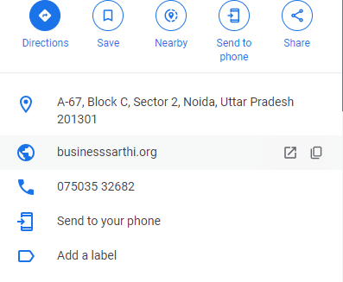
Business Team | 5.0 | 1 | F Block, Pocket E, Sector 27, Noida, Uttar Pradesh 201301 | Website Missing | Missing | Open 24 hours | 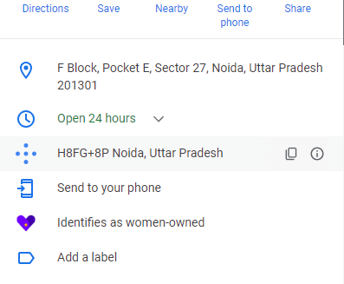
Google Ads, PPC Expert, Business Lead, Application Development Company 2011.Wit Source Technology Pravesh Kumar | 3.7 | 88 | B 96, B Block, Sector 65, Noida, Uttar Pradesh 201301 | witsourcetechnology.com | 088009 60940 | Open ⋅ Closes 6PM | 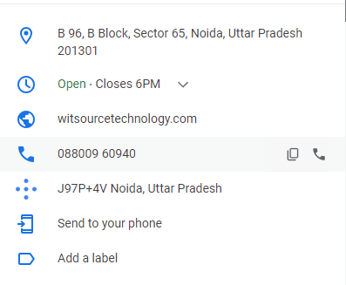
business consultant | Rating Missing | Review Missing | A- 84 , sector -4 , office Number G-3, Noida, Uttar Pradesh 201301 | Website Missing | Missing | Hours Missing | 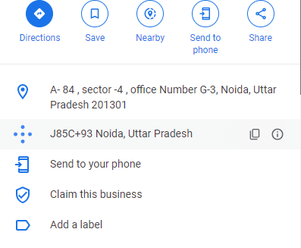
Unilex Business Consultants LLP | 5.0 | 5 | 1st floor, C25, C Block, Sector 8, Noida, Uttar Pradesh 201301 | unilexconsultants.com | 083750 19506 | Open ⋅ Closes 7PM | 
Pristine Business Solutions | 4.5 | 21 | B-42, 3rd Floor, B Block, Sector 65, Noida, Uttar Pradesh 201301 | pristinebs.com | Missing | Open ⋅ Closes 6:30PM Confirmed by this business 3 weeks ago | 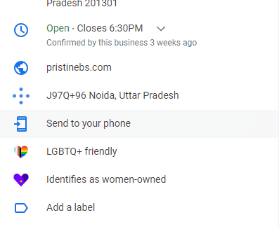
Jha Group Of Services | 5.0 | 2 | Office No. B-13, First Floor, Bhawani Market, Atta Near Noida Sector-18 Metro Station Gate No. 1, Uttar Pradesh 201301 | jhagroup.in | Missing | Open ⋅ Closes 8PM | 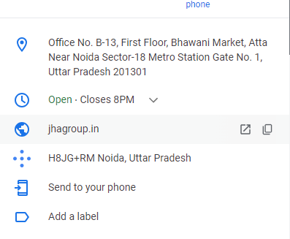
Noida Business Center | 5.0 | 4 | A - 38 K, Block A, Sector 64, Noida, Uttar Pradesh 201301 | myoffice-hub.com | Missing | Hours Missing | 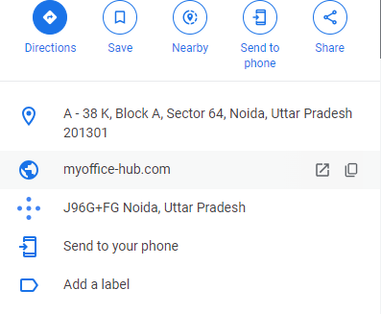
SkyBox Business Centre - Lockable Office Spaces | 4.7 | 150 | C-22, C Block, Sector 65, Noida, Uttar Pradesh 201301 | skyboxbusinesscentre.com | 083739 39144 | Open ⋅ Closes 7:30PM | 